OFFER SHEET
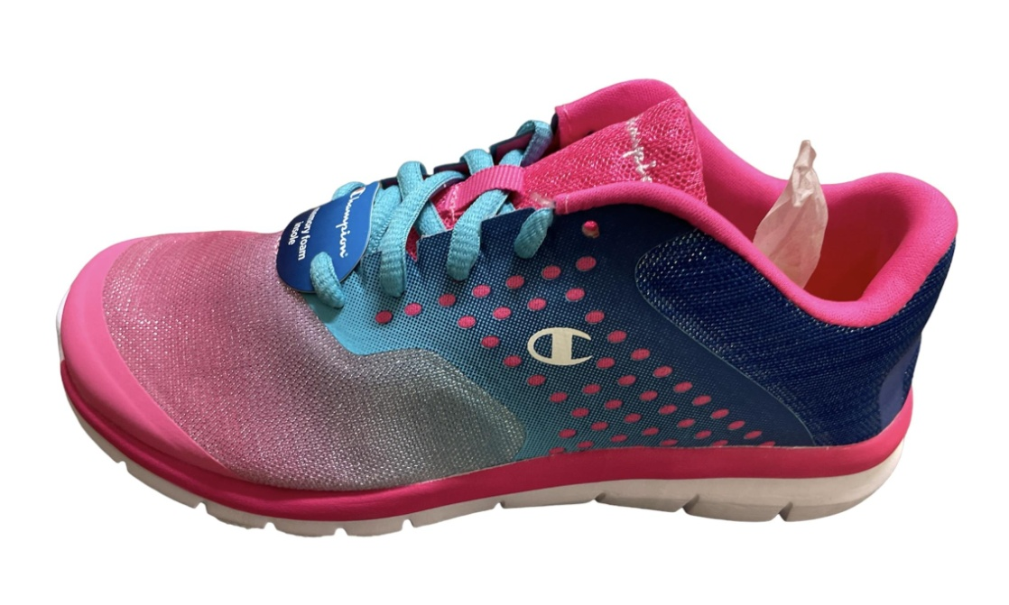
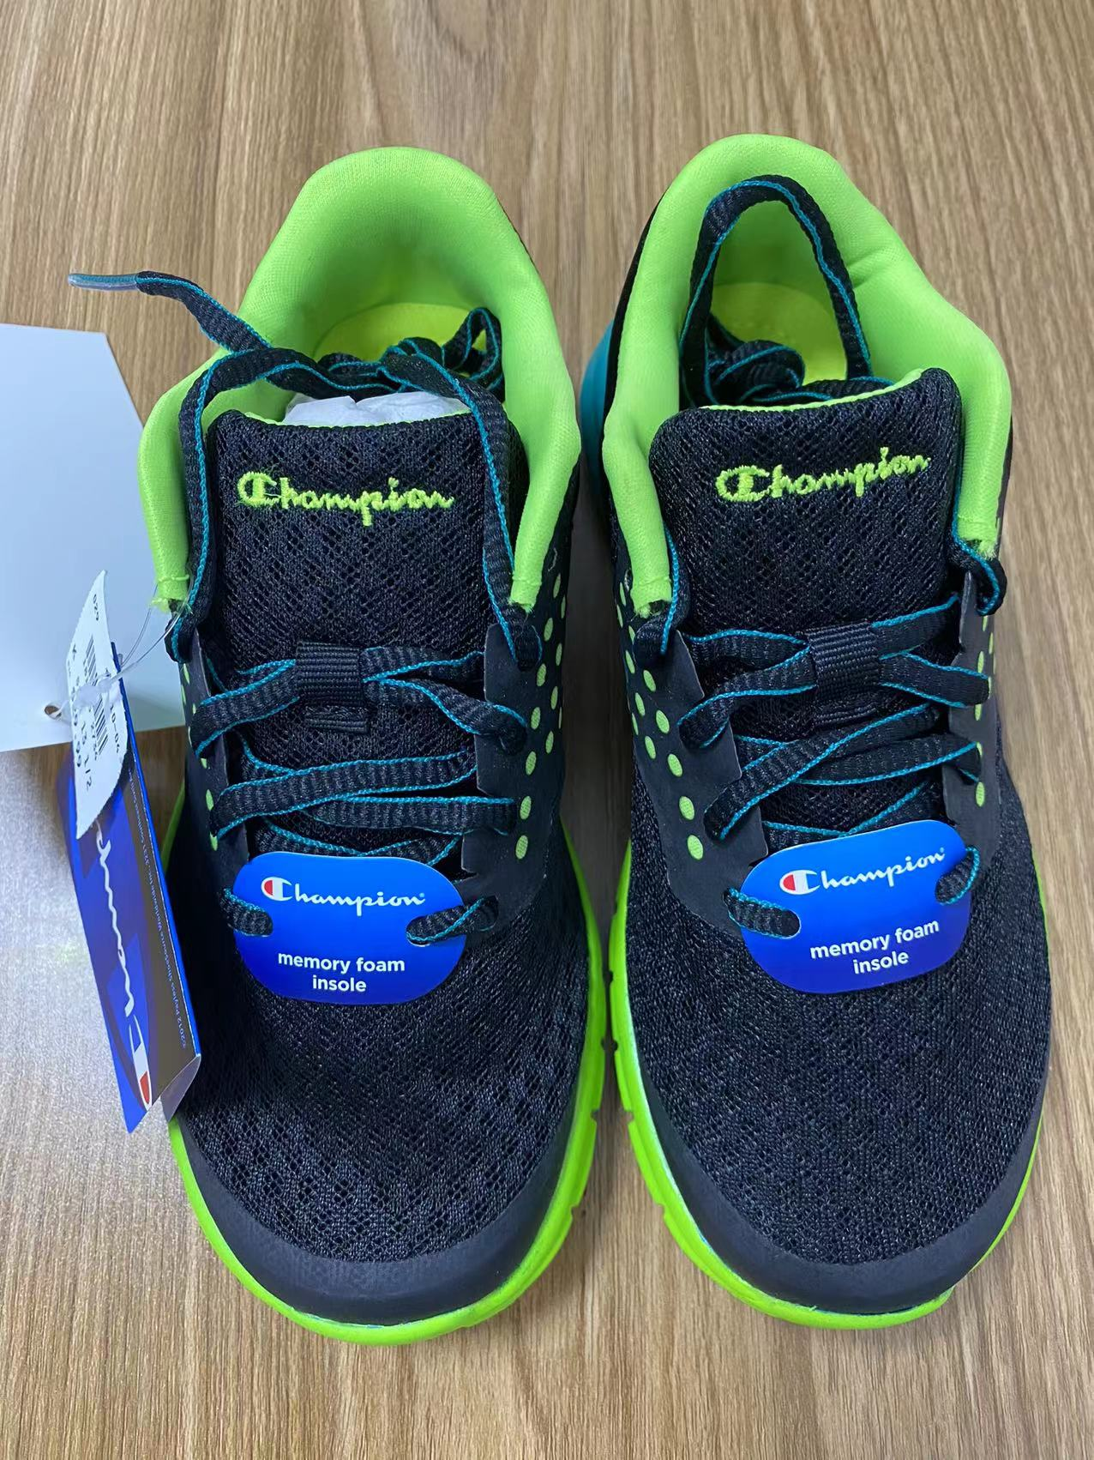
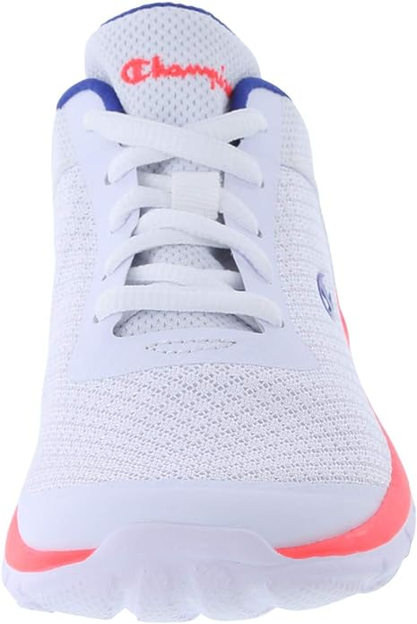
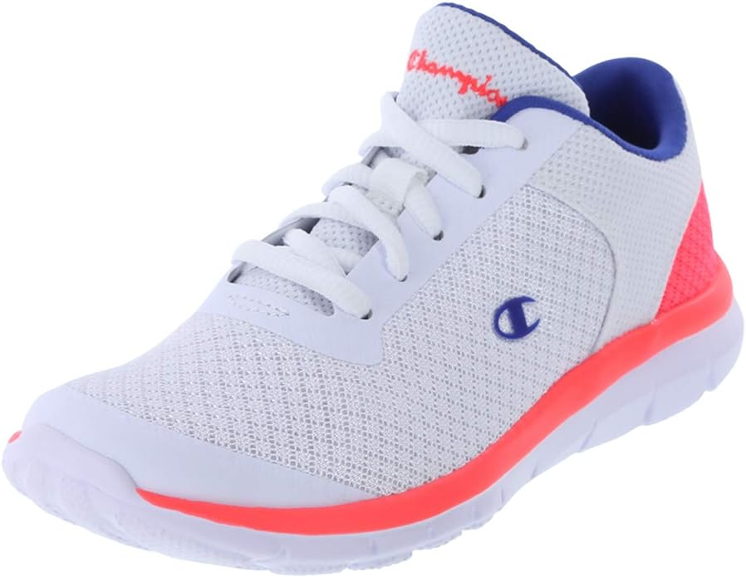
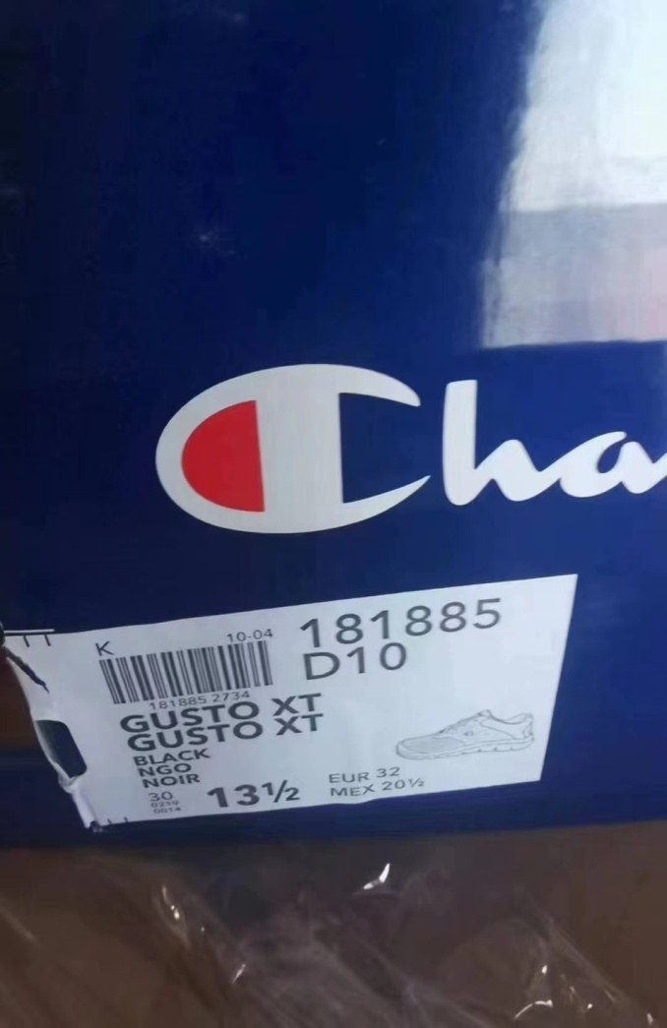
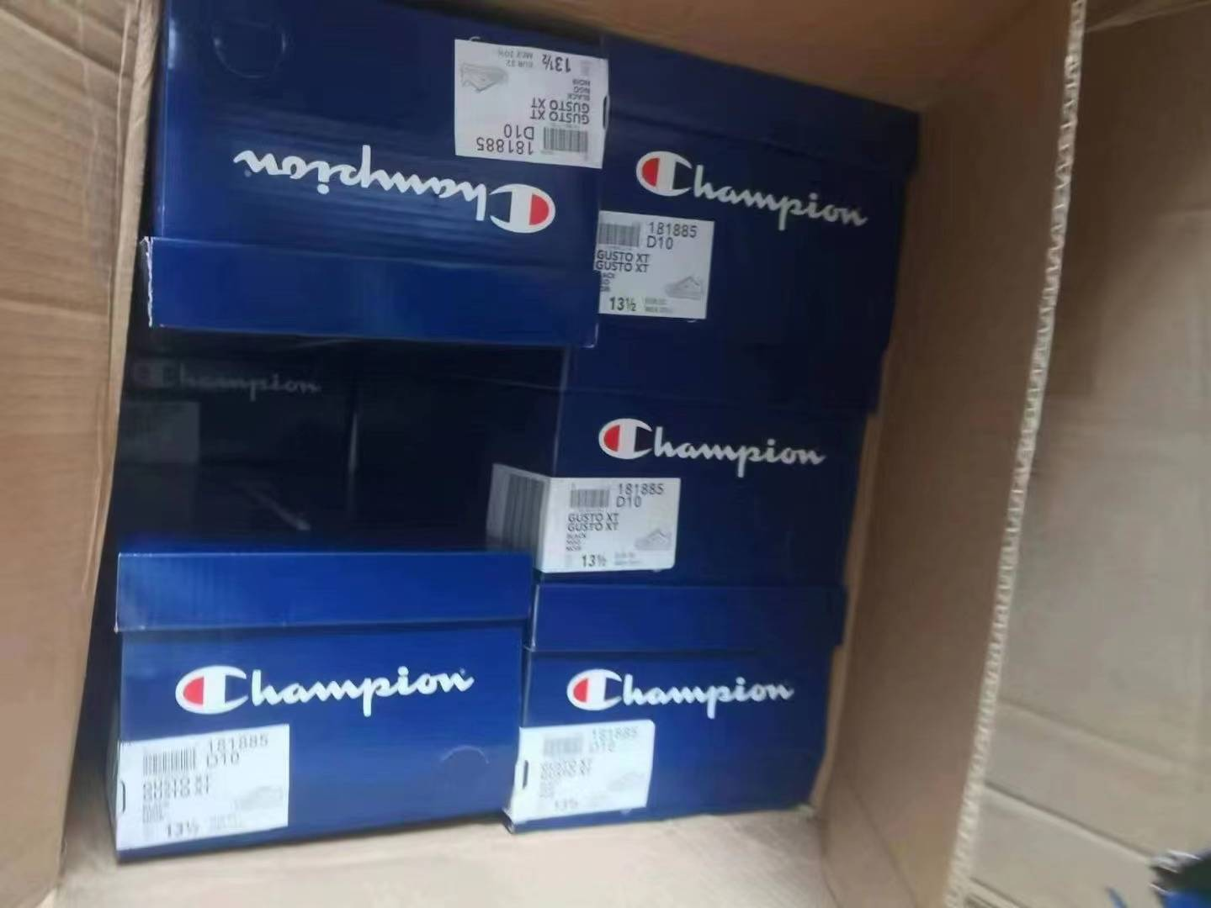
STYLE#： | BFT-36794
DESCRIPTION: | Junior's sneakers |  |  |  |  |  |  | PACK | ASST PCS/CTN
QUANTITY: | 3358 | PIECES |  | 234 | CTNS

 | COLORS | SIZE |  |  |  |  |  |  | QTY
 |  | 1 | 1.5 | 2 | 2.5 | 3 | 3.5 | 13.5
 | PINK | 1280 | 144 | 800 | 0 | 450 | 18 | 90 | 2782
 | BLACK | 192 | 216 |  |  |  |  | 168 | 576

 | TOTAL | 1472 | 360 | 800 | 0 | 450 | 18 | 258 | 3358

